Phase 2 - Week1Day1
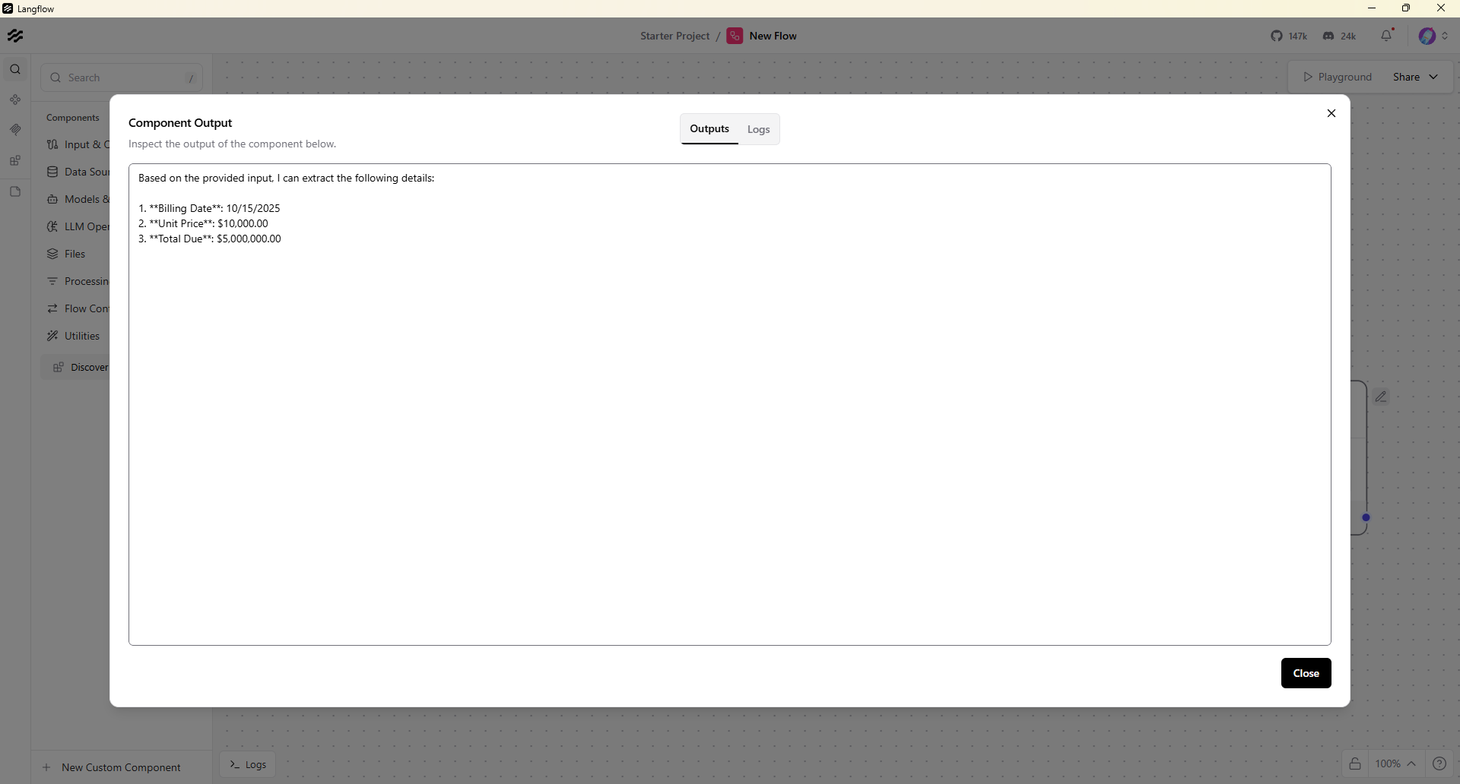
Langlow -Invoice

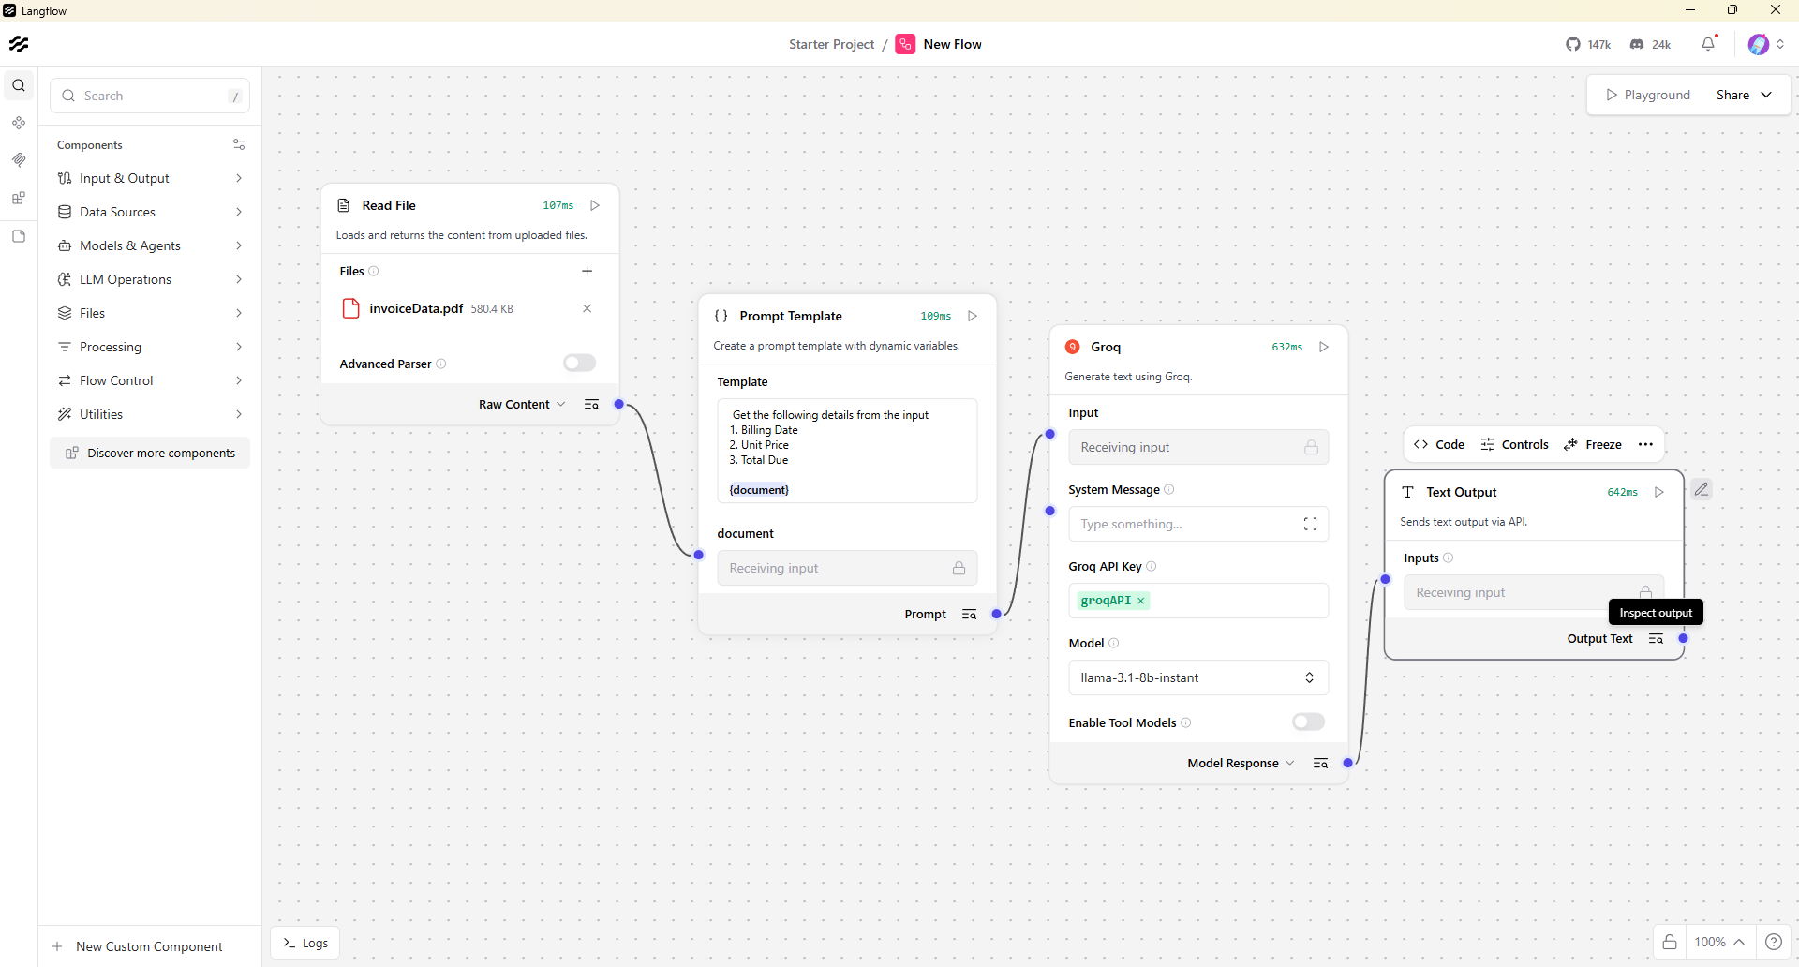

Output -

Phase2- Week1Day2
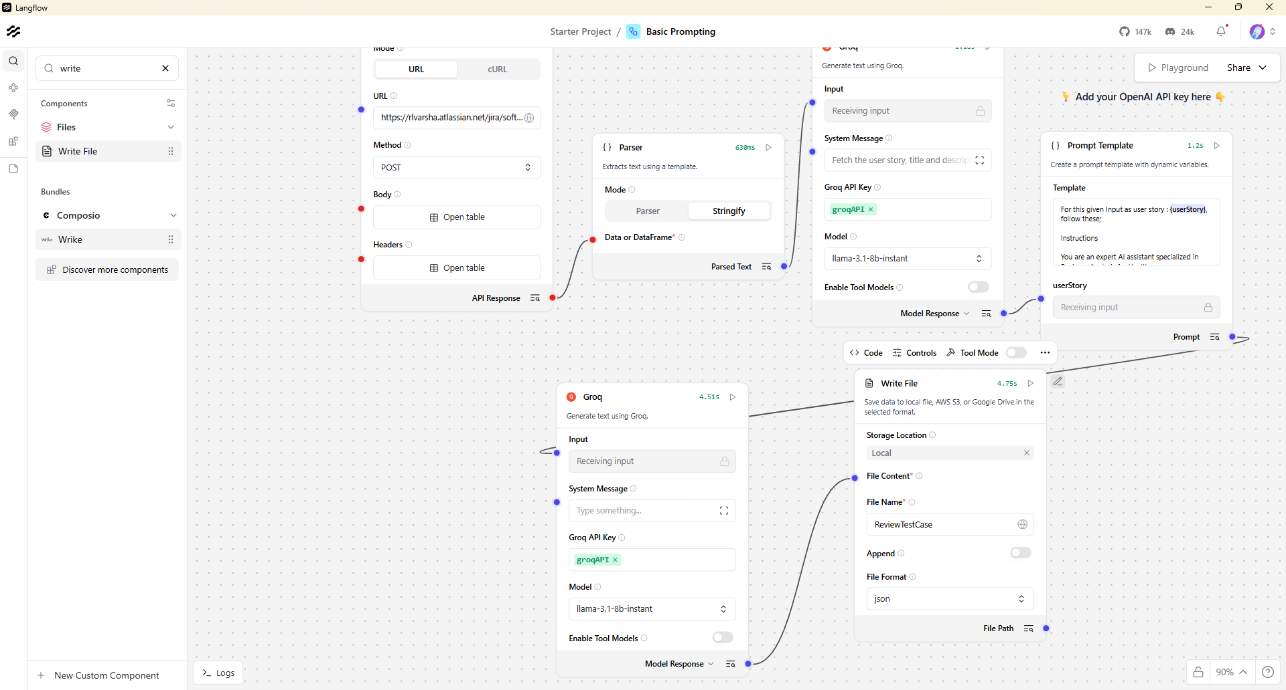

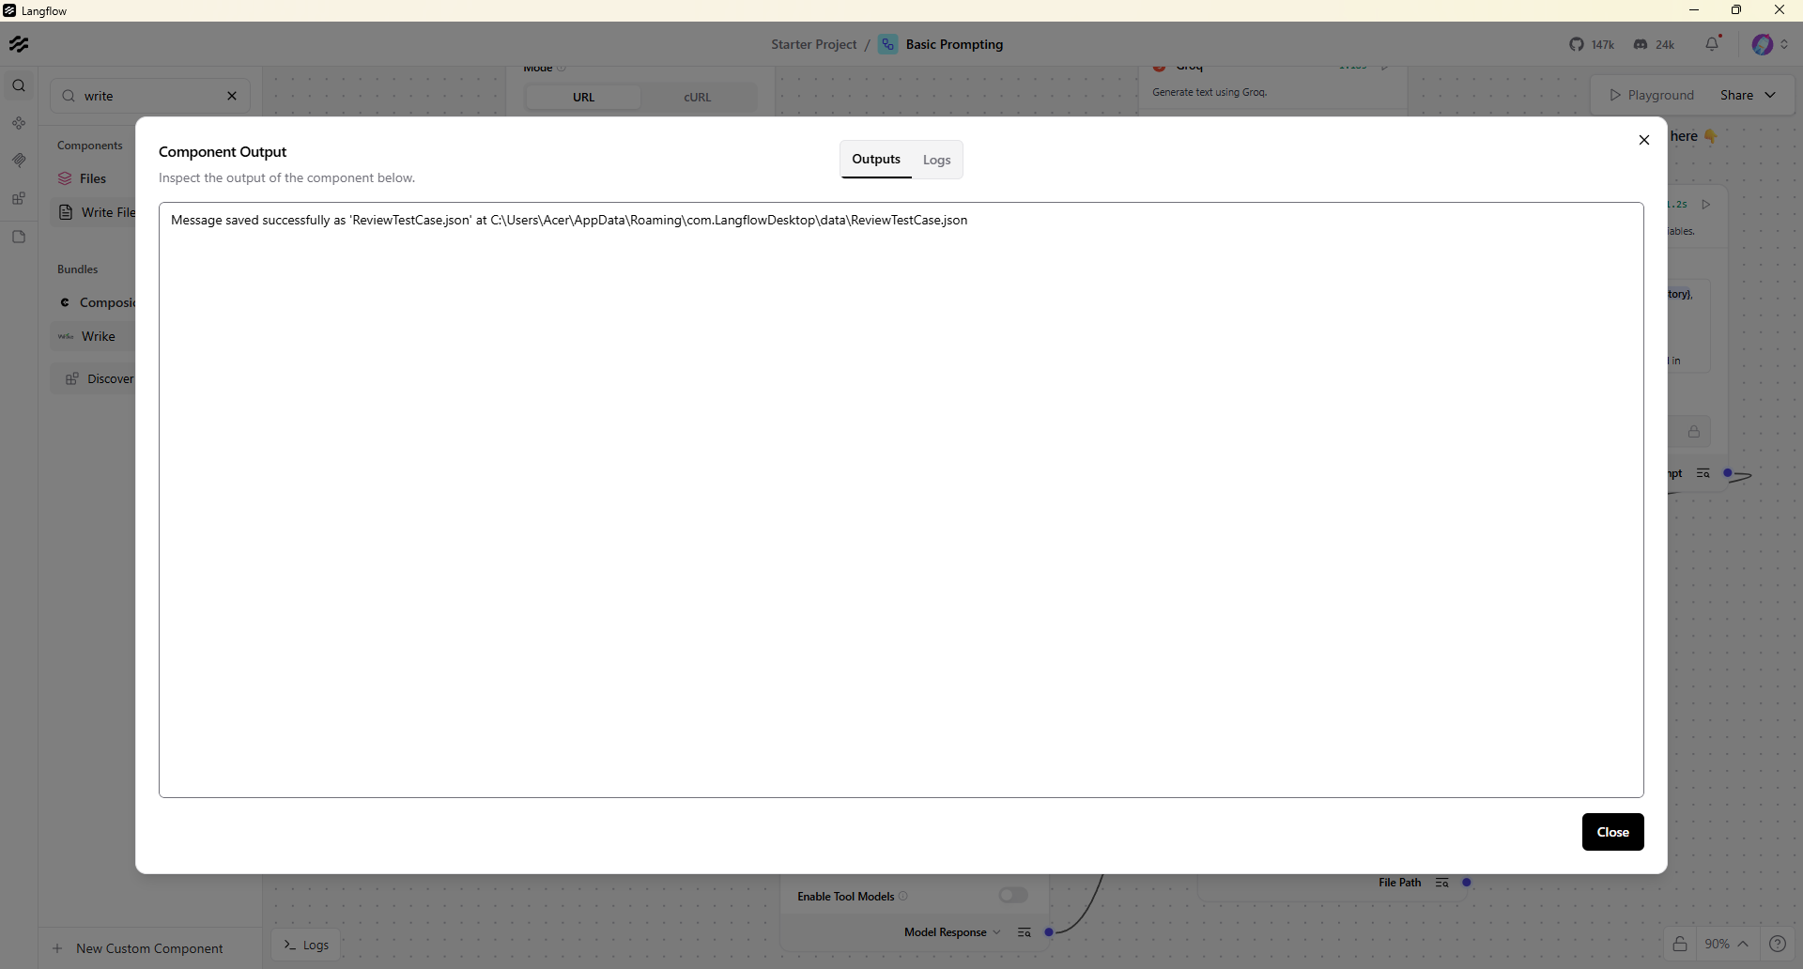

Output

{
"report_title": "User Story Review and Analysis",
"summary": "The provided user story appears to be a response from the Jira API, specifically from the '/rest/api/3/search/jql' endpoint. Here's a breakdown of the review based on the given parameters:",
"analysis_table": [
{
"parameter": "Clarity",
"description": "The story is somewhat technical and assumes prior knowledge of Jira API and JQL queries. It lacks a clear, non-technical description of the desired outcome. However, the provided JSON object is well-structured and easy to understand for those familiar with API responses.",
"score": 12,
"max_score": 20
},
{
"parameter": "Completeness",
"description": "The story does not provide explicit acceptance criteria or preconditions. It seems to focus solely on the technical aspect of the Jira API response without considering the broader healthcare context or user needs.",
"score": 10,
"max_score": 20
},
{
"parameter": "Business Value Alignment",
"description": "The story does not demonstrate a clear connection to tangible healthcare value, such as patient safety, compliance, or operational efficiency. The focus is on the technical response from the Jira API, which may not directly contribute to healthcare outcomes.",
"score": 8,
"max_score": 20
},
{
"parameter": "Testability",
"description": "The story can be tested through API response validation, but it lacks specific test cases or scenarios that would ensure the desired outcome aligns with healthcare requirements or user expectations.",
"score": 14,
"max_score": 20
},
{
"parameter": "Technical Feasibility",
"description": "The story is technically feasible within the context of Jira API and JSON responses. However, its relevance and applicability to healthcare systems, patient records, or clinical workflows are not clearly established.",
"score": 16,
"max_score": 20
}
],
"overall_score": {
"total": 60,
"max_possible": 100
},
"improvement_areas": [
{
"id": 1,
"title": "Add Healthcare Context",
"action": "Clarify how the Jira API response and JQL query relate to healthcare outcomes, patient safety, or compliance."
},
{
"id": 2,
"title": "Define Acceptance Criteria",
"action": "Specify what constitutes a successful response from the Jira API in the context of healthcare needs or user expectations."
},
{
"id": 3,
"title": "Include Preconditions",
"action": "Describe any preconditions that must be met for the Jira API query to be executed, such as user authentication or specific data availability."
},
{
"id": 4,
"title": "Align with Healthcare Value",
"action": "Explain how the technical aspect of the story contributes to tangible healthcare value, such as improving patient care, reducing errors, or enhancing operational efficiency."
},
{
"id": 5,
"title": "Specify Test Cases",
"action": "Develop test cases that validate not only the technical correctness of the API response but also its alignment with healthcare requirements and user needs."
}
],
"conclusion": "By addressing these improvement areas, the user story can become more comprehensive, aligned with healthcare values, and feasible for implementation within the constraints of healthcare systems."
}

